Funcinal Test
Functional Test
Test ID | Priority | Test description | Screenshots | Explorer | Chrome | Mobile Chrome | Mobile Safari
#1-1 | Critical | Steps to replicated > Long click on any pictures on the mobile devices Or Right click on the mouse for desktop > "Add to photos" / "Save Image" on the mobile devices Or "Save Image As…" on the desktop" Expected results > All of image must not be downloadable due to the fact the copyright Actual results > Every images on this web are able to download to any devices |  | V | V | V | V
#1-2 | Major | Steps to replicated > Click the image of a buyable product on the dashboard - example "Fox Racing black Helmet" > Click "Add To Cart" > Keep clicking '-' button until it shows - values Expected results > Must show the minimum number of quantity as 0 And also Checkout must not be activated Actual results > it shows -/minus values and the "Checkout" button is activated to click And also if users click "Checkout", it goes to the purchase page to buy | 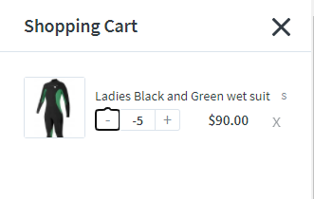 |  | V | V | V
#1-3 | Major | Steps to replicated > Click the image of a buyable product on the dashboard - example "Fox Racing black Helmet" > Click "Add To Cart" > Refresh the browser on the shopping cart Or on the dashboard or on the products pages" Expected results The products on the shopping cart must be included whenever users refresh their browser Actual results The products added to the shopping cart are disappeared when users refresh the browser |  |  | V | V | V
#1-4 | Major | Steps to replicated > Click the image of "Ladies Black and Green wet suit" > Select size "M" or "L"or "XL" which sizes are sold out > Click "Checkout" to purchase (Only added sold out products)" Expected results The "Continue" button must not be activated if the products are sold out Actual results "The "Continue" button is activated and it goes to an unrelated page if users click the ""Continue"" button https://later-gear.myshopify.com/password" | 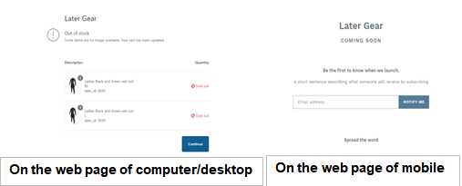 |  | V | V | V
#1-5 | Major | Steps to replicated > Click any images on the dashboard > Click "Go Back" button ONLY on the purchasable items page Expected results > Must go back to the dashboard Actual results > The "Go Back" button is not working it does not react when users click the button |  |  |  | V | V
#1-6 | Major | Steps to replicated > Click "Ladies Black and Green wet suit" Image on the dashboard > Select one of Size - example: S > Click "Add To Card" > Change greater than 1 quantity of Product - example: 3 quantities > Change less than corrent quantities - example: 1 quantity" Expected results > The SUBTOTAL must correctly show the current total in real-time Actual results > '-'/Subtract Function is not reflected on SUBTOTAL | 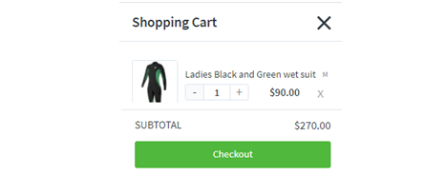 |  | V | V | V
#1-7 | Major | Steps to replicated > Click "Explore Post Links" Image on the dashboard > Click the "View" of Blue pen Expected results > Must provide the URL of "Blue pen" product to users Actual results > It goes to the wrong page by the URL of Bluetooth headphones https://www.bestbuy.ca/en-ca/product/jbl-live-500bt-over-ear-sound-isolating-bluetooth-headphones-green/13392324 |  |  | V | V | V
#1-8 | Major | Steps to replicated > Click "Explore Post Links" Image on the dashboard > Click the "View" of Green headphones Expected results > Must provide the URL of "Green headphones" product to user Actual results > It goes to the wrong page by the URL of Blue Fine Point https://www.amazon.com/Pilot-Retractable-Premium-Roller-31021/dp/B00006JNJC/ref=sr_1_4?keywords=blue+pen&qid=1580764745&sr=8-4 |  |  | V | V | V
#1-9 | Major | Steps to replicated > Click "Explore Post Links" Image on the dashboard > Click "View" Expected results > Must provide the URL which is relevant to "Explore Post Links" Actual results > it goes to the URL of "Explore Post Links" https://brave-goldberg-04dea0.netlify.app/latergear/4809 |  |  | V | V | V
#1-10 | Major | Steps to replicated > Click the image of a buyable product on the dashboard - example "Fox Racing black Helmet" > Click "Add To Cart" > Click "Checkout" > Click "<-"/ Back button on the browser Expected results > Must show the products on the Shopping Cart Actual results > it shows the Shopping Cart is empty | 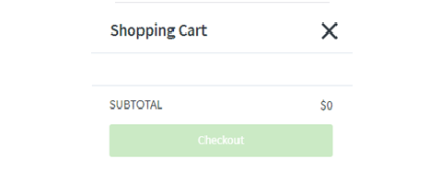 |  | V
#1-11 | Major | Steps to replicated > Click any images on the dashboard Expected results > The description page shows properly Actual results > The description does not have the description of the item and its options So it is not possible to click "Add To Cart" | 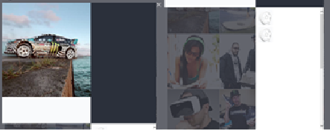 | V
#1-12 | Major | Steps to replicated > The dashboard of the main image of a car Expected results > Every images are accurately on every pages including the dashboard Actual results > The picture is distorted vertically |  | V
#1-13 | Major | Steps to replicated > Click the Shopping Cart Expected results > The "Checkout" button must not be enabled when there are nothing on the shopping cart Actual results > Even though there are no items on the shopping cart, the "Checkout" button is activated |  | V
#1-14 | Major | Steps to replicated > Click any images on the dashboard > Scroll down or up on the description page with desktop web(Explorer and Chrome) Or Scroll down or up on the image with Mobile Safari Expected results > The scroll action must not work in the description page Actual results > If scrolling down or up on the description page, the scroll action works on the background |  | V | V |  | V
#1-15 | Minor | Steps to replicated > Click "Ladies Black and Green wet suit" Image on the dashboard > Select one of Size - example: S > Click "Add To Card" > Click 'x' button on the right side of the function changing quantity Expected results > The SUBTOTAL must correctly show $0 Actual results > 'x'/Close Function is not reflected on SUBTOTAL |  |  | V | V | V
#1-16 | Minor | Steps to replicated > Click one of a buyable product on the dashboard - example "Fox Racing black Helmet" > Click "Add To Cart" > Click "X" on the right of the top on the Shopping cart > Click "Shopping cart" > Click "<-" on the left of the bottom on Chrome browser > Click again "<-" on the left of the bottom on Chrome browser Expected results > Must show the dashboard The app must not show pages users had when using Back button. It does not need to have users' history. Actual results > it shows the footage of the user so it shows the shopping cart contentiously as much as users have been |  |  | V | V | V
#1-17 | Minor | Steps to replicated > Click the image of a buyable product on the dashboard - example "Fox Racing black Helmet" > Click "Add To Cart" > Click "Checkout" > Enter wrong postal code of the Shipping address > Click "Continue to shipping" App shows CORRECTLY with the error message as "Enter a valid ZIP / postal code for Canada" > Change postal code using chrome auto-fill function Expected results > Must not show the error message if users enter the correct information Actual results > It shows the error message as "Enter a valid ZIP / postal code for Canada", even if users enter the correct postal code using the chrome auto-fill function | 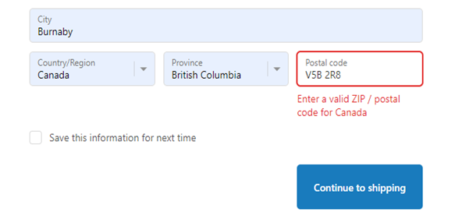 |  | V
#1-18 | Minor | Steps to replicated > Click the image of a buyable product on the dashboard - example "Fox Racing black Helmet" > Click "Add To Cart" > Click "Checkout" > Enter wrong postal code of the Shipping address > Click "Continue to shipping" App shows CORRECTLY with the error message as "Enter a valid ZIP / postal code for Canada" > Change postal code using chrome auto-fill function > Enter "Hardware Enter" button Expected results > Must go to the information page Actual results > App is stuck on the page with the "Continue to shopping" button as loading intermittently (3/10 times) While it is doing and hitting the refresh button on the chrome, then this information pop-up shows up "Confirm Form Resubmission: The page that you're looking for used information that you entered. Returning to that page might cause any action you took to be repeated. Do you want to continue?" | 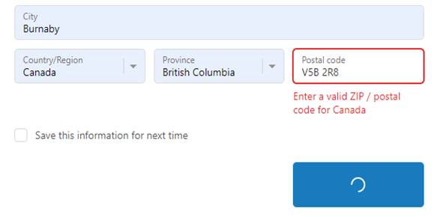 |  | V
#1-19 | Minor | Steps to replicated > Add any items on the shopping cart > Go to Shopping cart > Swipe up from the point around "Checkout" button on Mobile web or Swipe up any where of shopping cart page on computer web Expected results > Must not show the scroll and not scroll-able Actual results > Even though the items are on the page correctly, the app shows a scroll on the right side and users can scroll the page which is not necessary | 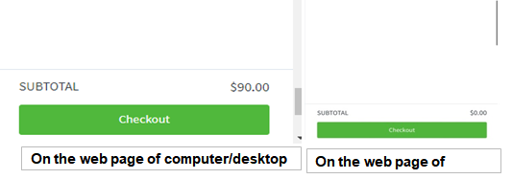 |  | V | V | V
#1-20 | Minor | Steps to replicated > "View the page source" or F12 > Click one of the images on the dashboard Expected results > Must not show any errors on the console Actual results > It shows net::ERR_ABORTED 400 and Uncaught An error occurred! |  | V | V
#1-21 | Minor | Steps to replicated > "View the page source" or F12 > Click one of the images on the dashboard > Add some items using "Add To Cart" Expected results > Must not show any errors on the console Actual results > It shows Failed to load resource: the server responded with a status of 400 () Uncaught An error occurred! VM77:1 Uncaught TypeError: Cannot read property 'match' of null at U (<anonymous>:1:238) at cn (<anonymous>:1:297) | 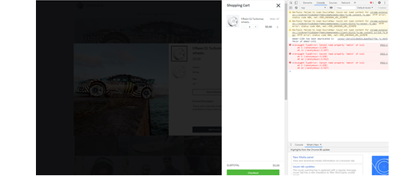 | V | V
#1-22 | Minor | Steps to replicated > Click AA to change the text size > Text size greater than 175% Expected results > The user name shows correctly Actual results > If text size is greater than 175%, the user name does not show fully Plus, the text size greater than 200%, the user name is disappeared Also, since the text size greater than 250%, the main image does not show properly |  |  |  |  | V
#1-23 | Minor | Steps to replicated > Scroll down on the main page Expected results > This web page has the end point to prevent memory overload Actual results > Web page does not end point |  | V | V | V | V

